remote ==> PC
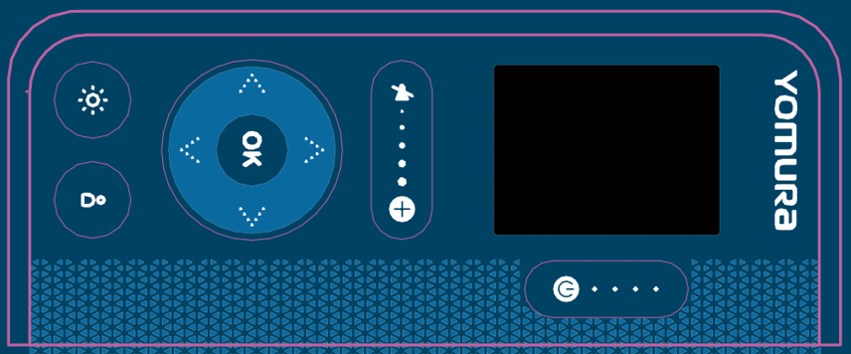
UART Baud Rate | 115200

 | ID | Length | Command | Content
Request Status | 0xAA | 0X02 | 0x01

Power On | 0xAA | 0X02 | 0x02 | 0x01
Power Off | 0xAA | 0X02 | 0x02 | 0x00

Volume + | 0xAA | 0X02 | 0x03 | 0x01
Volume - | 0xAA | 0X02 | 0x03 | 0x00

Night Light On | 0xAA | 0X02 | 0x04 | 0x01
Night Light Off | 0xAA | 0X02 | 0x04 | 0x00

Service Bell On | 0xAA | 0X02 | 0x04 | 0x01
 | 0xAA | 0X02 | 0x05 | 0x00

Up | 0xAA | 0X02 | 0x06 | 0x01
Down | 0xAA | 0X02 | 0x06 | 0x02
Left | 0xAA | 0X02 | 0x06 | 0x03
Right | 0xAA | 0X02 | 0x06 | 0x04
OK | 0xAA | 0X02 | 0x06 | 0x05
Fast Forward | 0xAA | 0X02 | 0x06 | 0x06
Back Forward | 0xAA | 0X02 | 0x06 | 0x07

